Input_Output
 |  |  |  | Vaned channels and shroud thickness Calculation

 | PUMP MODEL
 | PUMP SIZE |  |  |  |  |  | impeller or diffuser? | diffuser
 | DRAWING NUMBER |  |  |  |  |  | double suction pump? | no
 |  |  |  |  |  |  | open or closed? | closed
 | INPUT DATA at maximum diameter |  |  |  |  |  | casting quality | average
 | unit system |  | SI |  | US |  | sea water fluid? | no
 | speed |  | 3720 | RPM | 3720.0 | RPM
 | Qbep |  | 1600 | m3/h | 7048.5 | GPM | closed diffuser | data
 | Hstage bep |  | 420 | m | 128.0 | ft | Material | Martensitic CA6NM
 | Hstage max |  | 490.0 | m | 149.4 | ft |  | selected | suggested
 | D2 max |  | 481.0 | mm | 18.9 | in | density rmat | 7700.0 | 7700 | kg/m3
 | fluid S.G. |  | 1.0 |  | 1.0 |  | Tensile strength Ru | 760.0 | 760 | MPa
 | number of vanes Z |  | 7.0 |  | 7.0 |  | Yeld strength Rp0.2 | 550.0 | 550 | MPa
 | channel width between disks (b2 or b3) |  | 29.3 | mm | 1.2 | in | alternate bending strength sbw | 228.0 | 228 | MPa
 | diffuser LE D3 or volute tongue Dcw |  | 500.2 | mm | 19.7 | in | Safety factor for blade rupture Sz | 2.0 | 2
 | diffuser PS-SS angle delta |  | 25.0 | ° | 25.0 | ° | Safety factor for shroud rupture Szz | 5.0 | 5

 | THICKNESS SELECTION AND OUTPUT DATA |  |  |  |  |  |  | u2max | spec speed
 |  |  | suggested | selected |  |  | SI | 93.7 | 26.7
 | nominal thickness | e | 9.1 | 9.00 | mm |  | US | 307.4 | 1380.4
 | LE thickness | eLE | 5.0 | 5.00 | mm |  |  | blades | shroud
 | Mean vane thickness acc T14.1 | em | 16.7 | 8.00 | mm |  | mean stress sm | 8.0 | 31.9 | MPa
 |  |  |  | 12.00 | mm |  | alternate bending stress sw | 8.5 | 18.5 | MPa
 | fillet radius between blade and disk | rf | 3.0 | 5.00 | mm |  | Safety Factor SF | 10.4 | 2.7
 |  |  |  | 5.00 |  |  | Cavitation Erosion Ratio (CA6NM=1, lower is better) |  | 1
blades
 | goodman line |  | blade stress limit |  | blade stress
760 | 0 | 380 | 0 | 8.032428479 | 8.5045442099
0 | 228 | 0 | 114
shroud
 | goodman line |  | shroud stress |  | shroud stress limit
760 | 0 | 31.878231284 | 18.483754999 | 152 | 0
0 | 228 |  |  | 0 | 114

Notes:
Thickness calculation refers to J.F.Gulich "Centrifugal Pumps" Ed.2020 Material data refers to J.F.Gulich "Centrifugal Pumps" Ed.2020 -Tabe 14.11 - 16

Gulich-T14.1 - T14.3
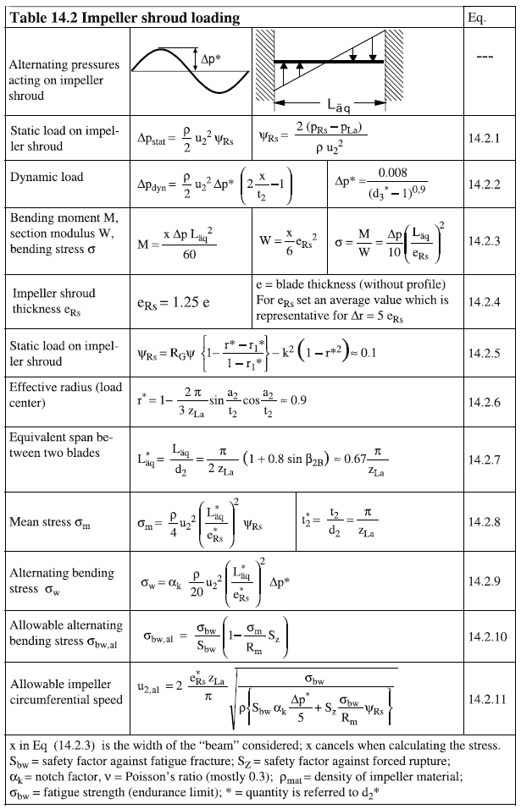
Qbep | Hbep | D2 | Z | U2 | Nq | n | Hst.max | psiLoad | D3 | beta2b | fluid density | mat density | notch | Sz | FT | L | em | Y | beta2b | Rm |  | sigmabw/Rm | Rw | Szz | ers
1600 | 420 | 481 | 7.00 | 93.688576115 | 26.730969663 | 3720 | 490 | 0.2738178869 | 500 | 25 | 1000 | 7700 | 2 | 2 | 1 | 29 | 8.00 | 0 | 25 | 760 |  | 0.3 | 228 | 5 | 12.00
 |  |  |  |  |  | from selected nominal thickness

14.3.1 | e | nominal thickness at tip | CLOSED IMPELLER | 9.1 | mm | 9.00 | 14.1.1 | Dps | static vane loading |  |  | 1201725 | considering reaction grade =0.75 for impeller and 0.25 for diffuser |  |  |  |  |  |  |  | 14.2.1 | Dps | static load on impeller shroud |  | 438877.46473 | 0.43887746473 |  |  |  |  | blades |  | shroud |  | selected unit system
14.3.2 | e2 | TE thickness |  | 5.0 | mm | 5 | 14.1.2 | Dpz | static centrifugal loading |  |  | 0 |  |  | Dp* | 0.14495593274 |  |  |  |  | 14.2.2 | Dpdyn | dynamic load |  | 636178.92256 | 0.63617892256 |  |  |  |  | sigma.m | sigma.w | sigma.m | sigma.w | sigma.m | sigma.w.blades |  | sigma.w-shroud
14.3.3 | em | Mean Blade Thickness acc T14.1 |  | 6.8 | mm | 7.00 | 14.1.3 | Dpdyn | dynamic loading |  |  | 636178.92256 | 0.6 |  |  |  |  |  |  |  | 14.2.3 | sigma | Bending stress M/W |  |  |  |  |  |  | goodman | 760 | 0 | 760 | 0 | 760 | 0 | 760 | 0
14.3.4 | eRs | Shroud disk Thickness |  | 11.4 | mm | 11.390734541 | 14.1.4 | sigma | Bending stress M/W |  |  | 12284700.584 | 12.3 |  |  |  |  |  |  |  | 14.2.4 | ers | impeller shroud thickness |  | 12.00 |  |  |  |  | goodman | 0 | 228 | 0 | 228 | 0 | 228 | 0 | 228
14.3.5 | ea | Blade thickness at shroud | OPEN IMPELLER | 9.1 | mm | 9.11 | 14.1.6 | sigma.m | mean stress |  |  | 8032428.479 | 8.0 |  |  |  |  |  |  |  | 14.2.5 | psi.rs | static load coefficient |  | 0.1
14.3.6 | ei | Blade thickness at hub |  | 18.2 | mm | 18.225175266 | 14.1.7 | sigma.w | alternate bending stress |  |  | 8504544.2099 | 8.5 |  |  |  |  |  |  |  | 14.2.6 | r* | load center |  | 0.9 |  |  |  |  | gulich all | 83.899025366 | 88.83029239 | 85.725647202 | 49.705764598 | 83.899025366 | 88.83029239 | 85.725647202 | 49.705764598
… | em | Mean Blade Thickness acc T14.1 |  | 10.3 | mm | 10.3 | 14.1.8 | sigma.w all | allowable alternate bending stress |  |  |  | 111.6 |  |  |  |  |  |  |  | 14.2.7 | Laq* | equivalent span between blades |  | 0.30069529684 |  |  |  |  | gulich all | 85.725647202 | 0 |  | 49.705764598 | 85.725647202 | 0 | 0 | 49.705764598
14.3.7 | eLE | LE thickness | DIFFUSER | 5.0 | mm | 5.0 | 14.1.9 | u2.al | allowable perpheral velocity |  |  |  | 0.3 |  |  | Sz | Sw |  |  |  | 14.2.8 | sigma.m | mean stress |  | 31878231.284 | 31.878231284 |  | Sz | Sw
14.3.8 | em | Mean vane thickness acc T14.1 |  | 7.2 | mm | 16.7 | 14.1.10 | em | Mean vane thickness acc T14.1 |  |  |  |  |  | calculated | 2 | #DIV/0! |  |  |  | 14.2.9 | sigma.w | alternating stress |  | 18483754.999 | 18.483754999 | calculated | 5 | 4.6 | gulich | 380 | 0 | 152 | 0 | 380 | 0 | 152 | 0
… | d | Angle between SS and PS at LE |  | 5 | ° | 25.0 | 14.1.11 | d | Angle between SS and PS at LE |  |  |  |  |  |  |  |  |  |  |  |  |  |  |  |  |  |  |  |  | gulich | 0 | 114 | 0 | 114 | 0 | 114 | 0 | 114
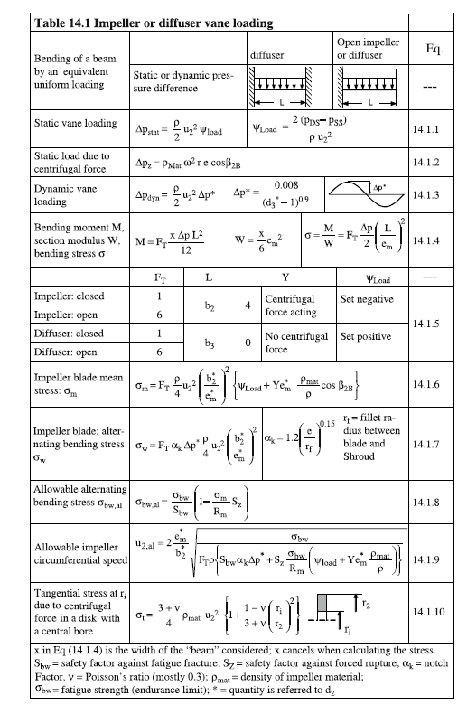
 |  |  |  |  |  |  |  |  |  |  |  |  |  |  |  |  |  |  |  |  |  |  |  |  |  |  |  |  |  | calc | 8.032428479 | 8.5045442099 | 31.878231284 | 18.483754999 | 8.032428479 | 8.5045442099 | 31.878231284 | 18.483754999

